Sheet1
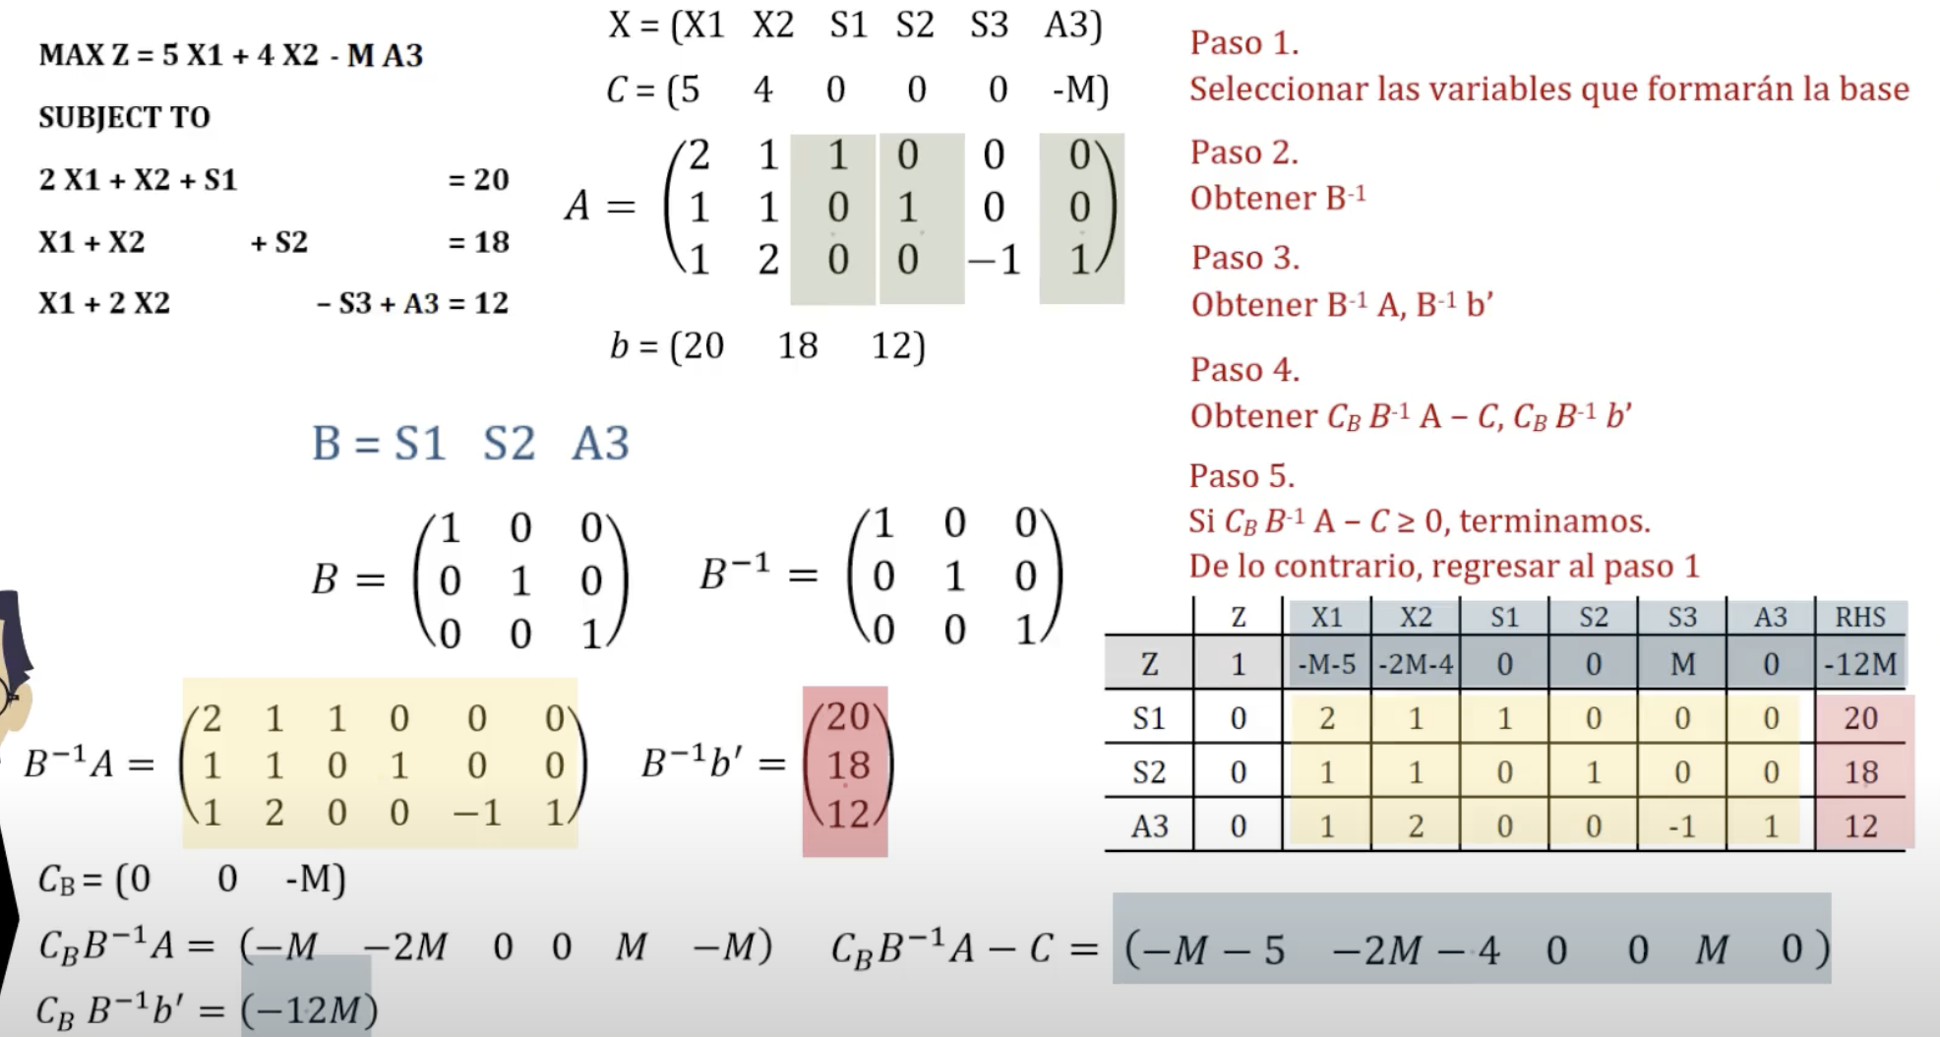
X | x1 | x2 | s1 | a1 | s2 | s3

C | 3 | 2 | 0 | 100 | 0 | 0 |  | b

A | 5 | 4 | -1 | 1 | 0 | 0 |  | 5
 | 1 | 0 | 0 | 0 | 1 | 0 |  | 3
 | 0 | 1 | 0 | 0 | 0 | 1 |  | 2

x_B | a1 | s2 | s3 |  | x_N | a1 | x2 | s1

 | 4 | 0 | 0 |  |  | 1 | 5 | -1
B | 0 | 1 | 0 |  | N | 0 | 1 | 0
 | 1 | 0 | 1 |  |  | 0 | 0 | 0

C_B | 2 | 0 | 0 |  | C_N | 3 | 2 | 0

 | x1 | x2 | s1 | a1 | s2 | s3 | SOL
z | -0.5 | 0 | -0.5 | -99.5 | 0 | 0 | 2.5
x2 | 1.25 | 1 | -0.25 | 0.25 | 0 | 0 | 1.25 |  | -5
s2 | 1 | 0 | 0 | 0 | 1 | 0 | 3 |  | #DIV/0! | min ratio
s3 | -1.25 | 0 | 0.25 | -0.25 | 0 | 1 | 0.75 |  | 3

C_B*B^inv*A | 2.5 | 2 | -0.5 | 0.5 | 0 | 0

B^inv | 0.25 | 0 | 0
 | 0 | 1 | 0
 | -0.25 | 0 | 1

C_B*B^inv | 0.5 | 0 | 0

C_B*B^inv*A | 2.5 | 2 | -0.5 | 0.5 | 0 | 0

